React Intro

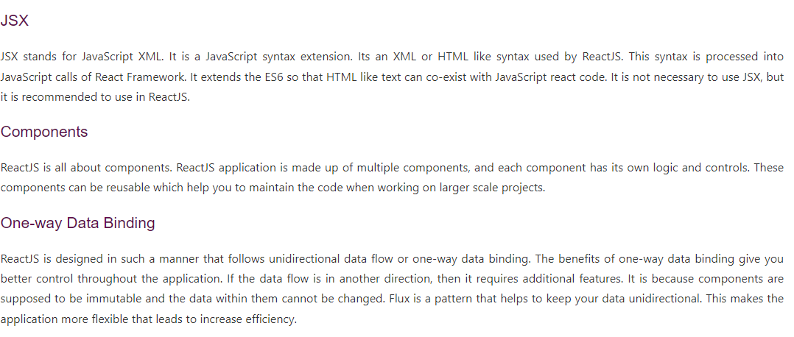
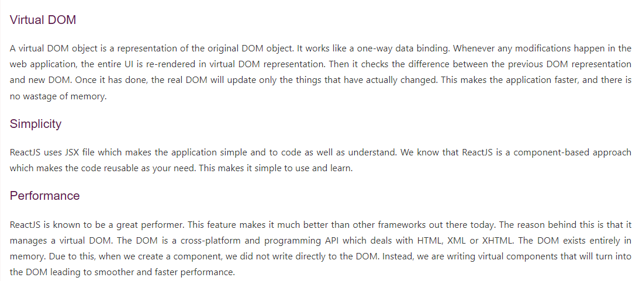
React Introduction
 | ReactJS is a declarative, efficient, and flexible JavaScript library for building reusable UI components.
 | It is an open-source, component-based front end library responsible only for the view layer of the application.
 | ReactJS is one of the most popular JavaScript front-end libraries which has a strong foundation and a large community.
 | It was initially developed and maintained by Facebook and later used in its products like WhatsApp & Instagram.

 | Concept of ReactJS
 |  | Let’s say one of your friends posted a photo on Facebook. If you like the photo and then you started checking out the comments too.
 |  | Now as you browsing over comments you can see that the likes count has increased by 100 since you liked the picture, even without reloading the page.
 |  | This magical change in count is due to ReactJS.

 | History of ReactJS
 |  | While building client-side application, a team of Facebook developers found that DOM is slow.
 |  | Document Object Model (DOM) is an application programming interface(API) for HTML and XML documents. It defines the logical structure of documents and how a document is accessed and manipulated).
 |  | To make it faster, React implements a virtual DOM which is basically a DOM tree representation in JavaScript, and React was invented.

 | How does ReactJS work
 |  | React creates a virtual DOM in memory to update the browser’s DOM. The virtual DOM will try to find the most efficient way to update the browser’s DOM.

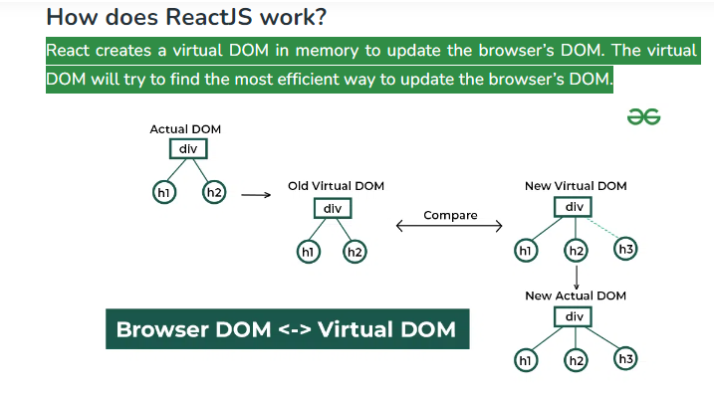

 | what is react.js used for?
 |  |  | It's used for building interactive user interfaces and web applications quickly and efficiently with significantly less code than you would with vanilla JavaScript.

 | The important features of ReactJS are as following.

 |  | JSX.
 |  | Components.
 |  | One-way Data Binding.
 |  | Virtual DOM.
 |  | Simplicity.
 |  | Performance.

Using React in HTML
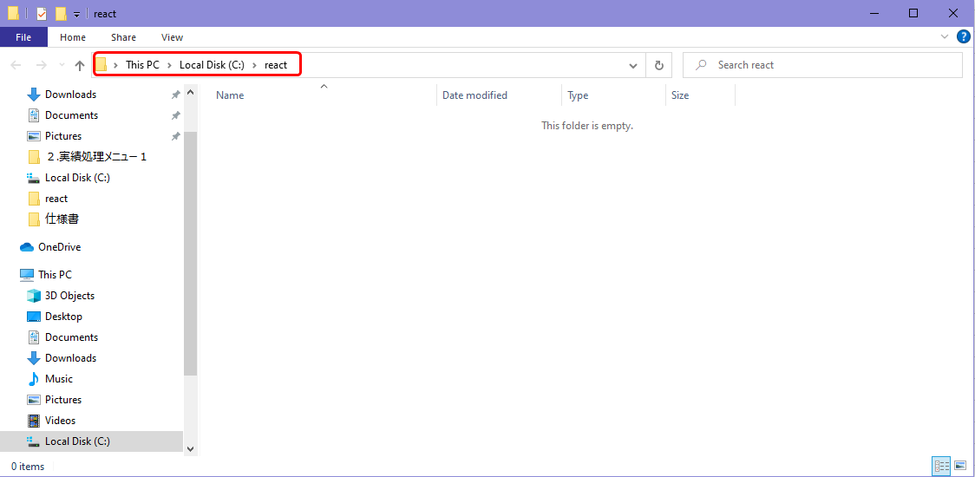

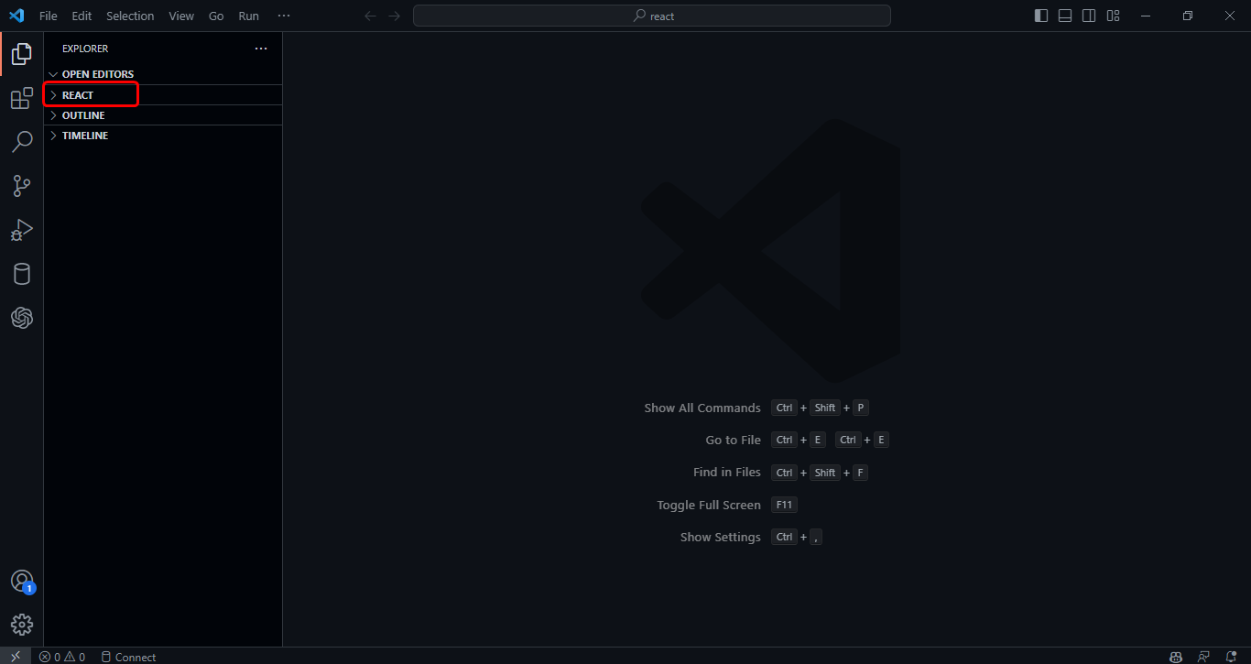

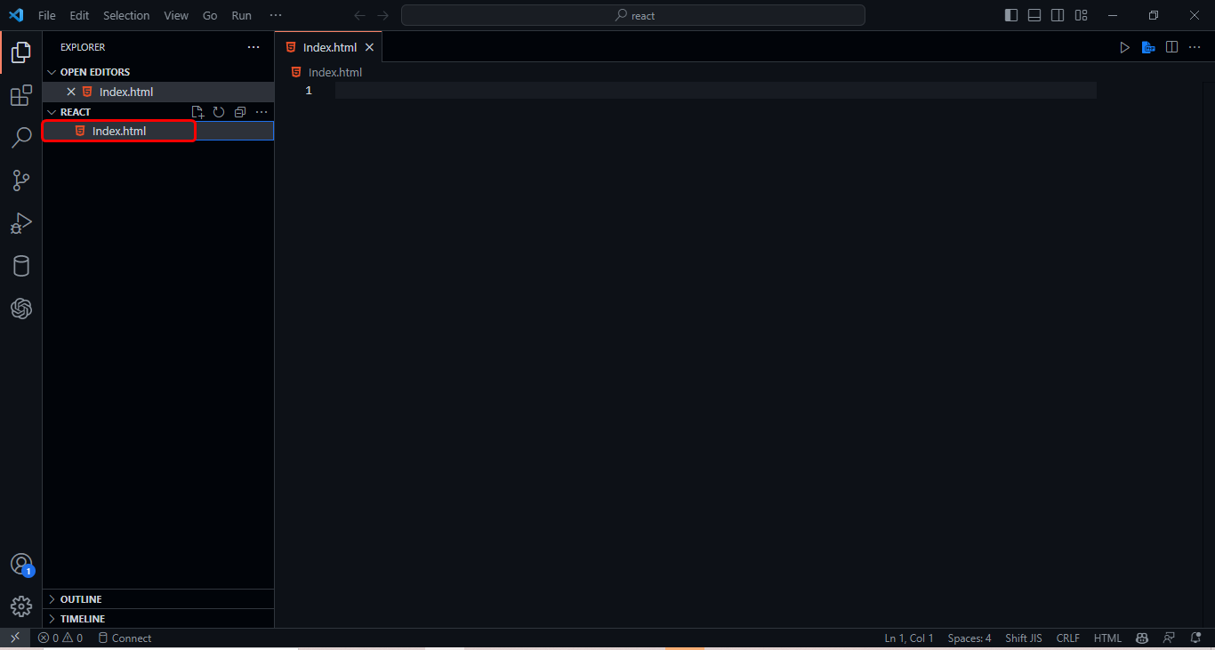

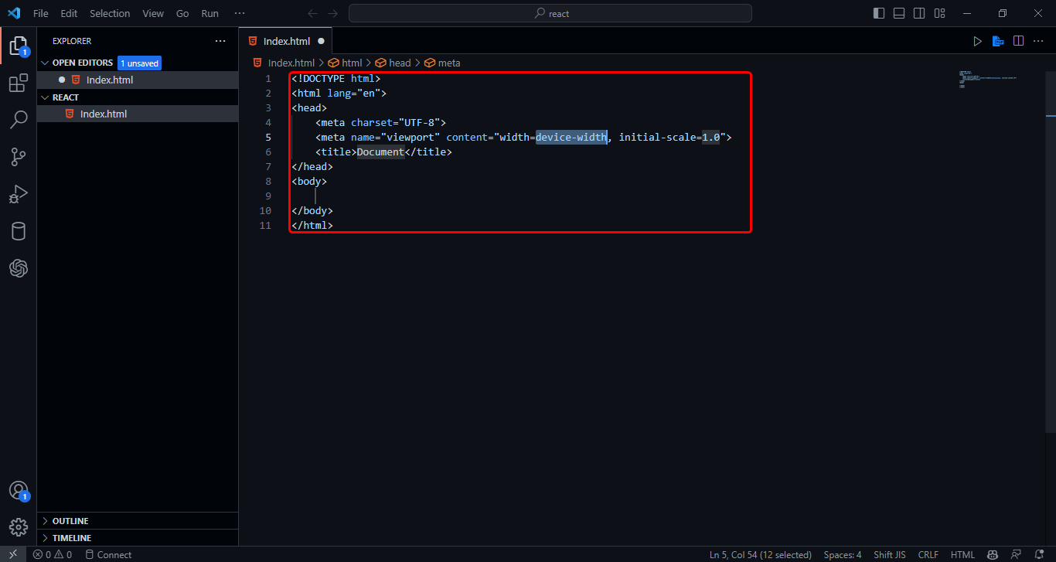

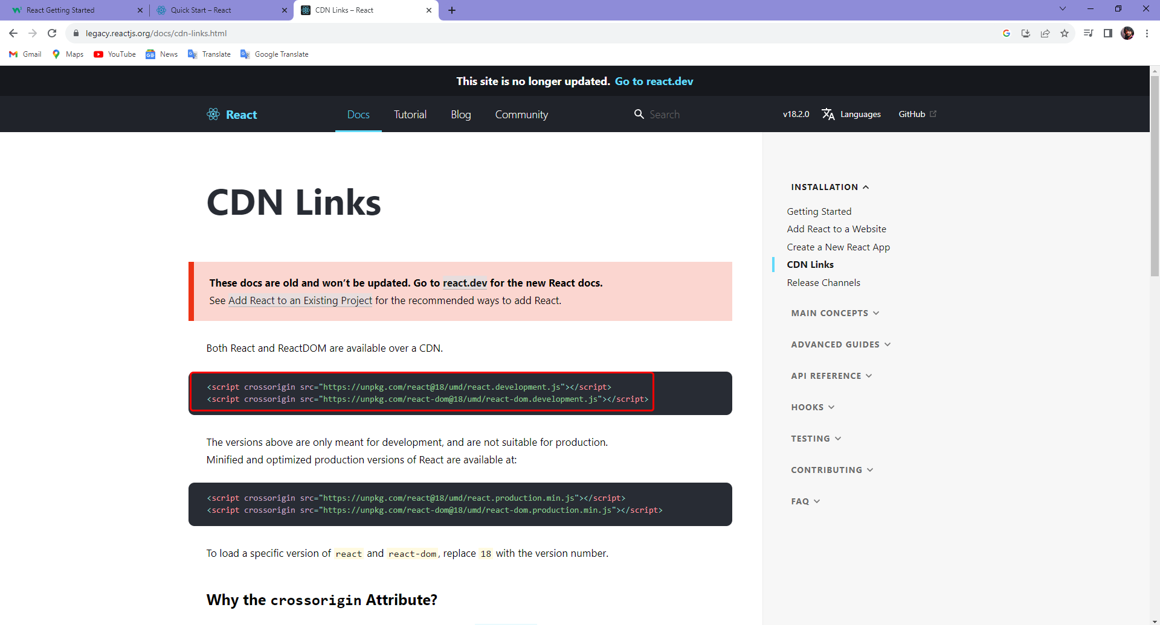

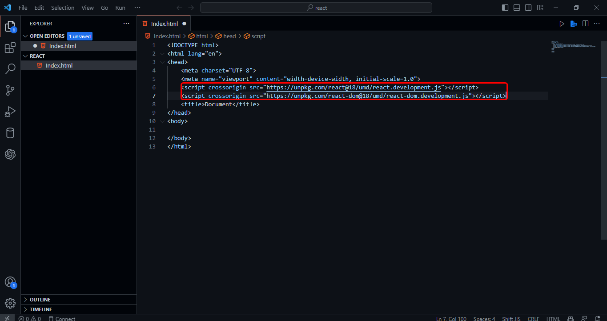

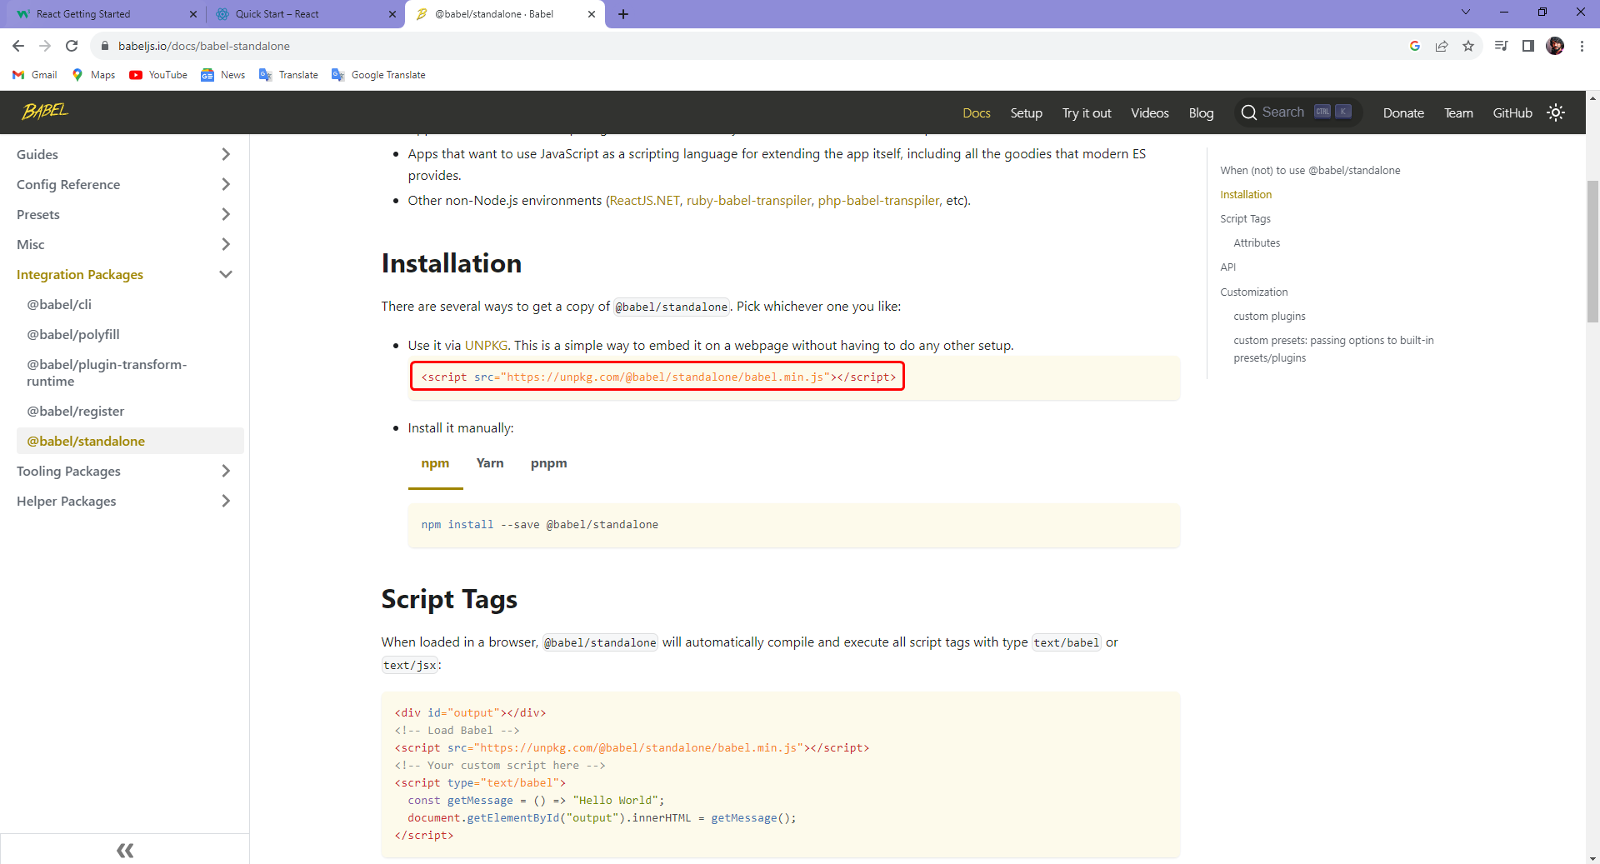

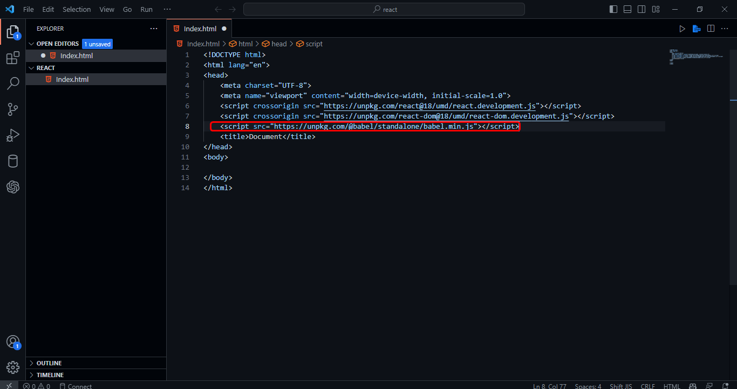

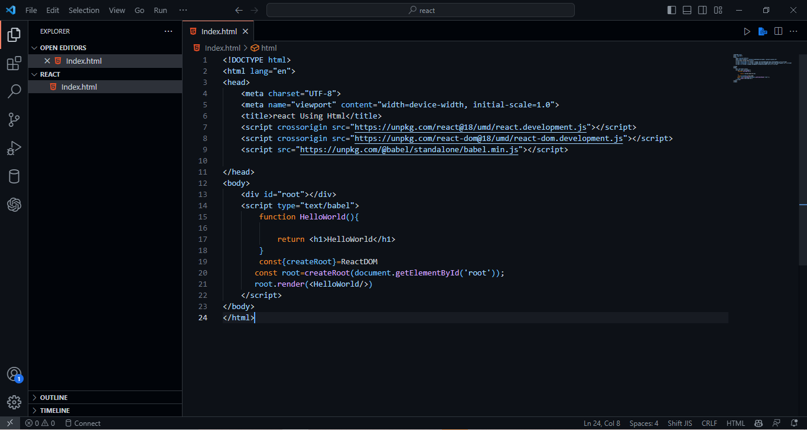

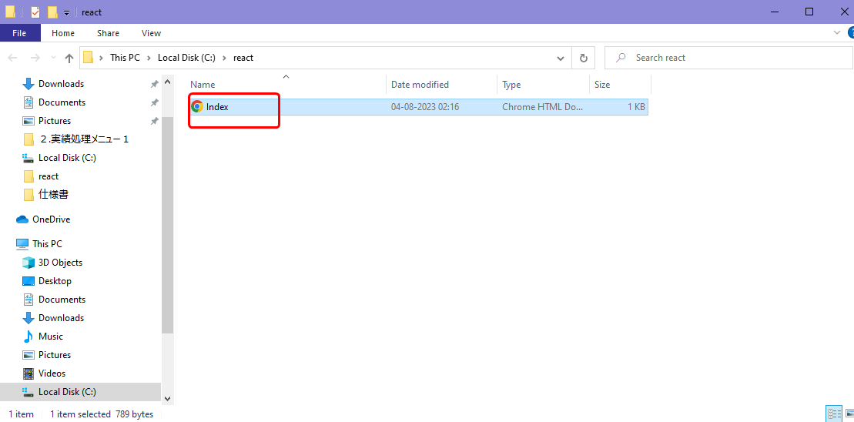



Create React App Tool
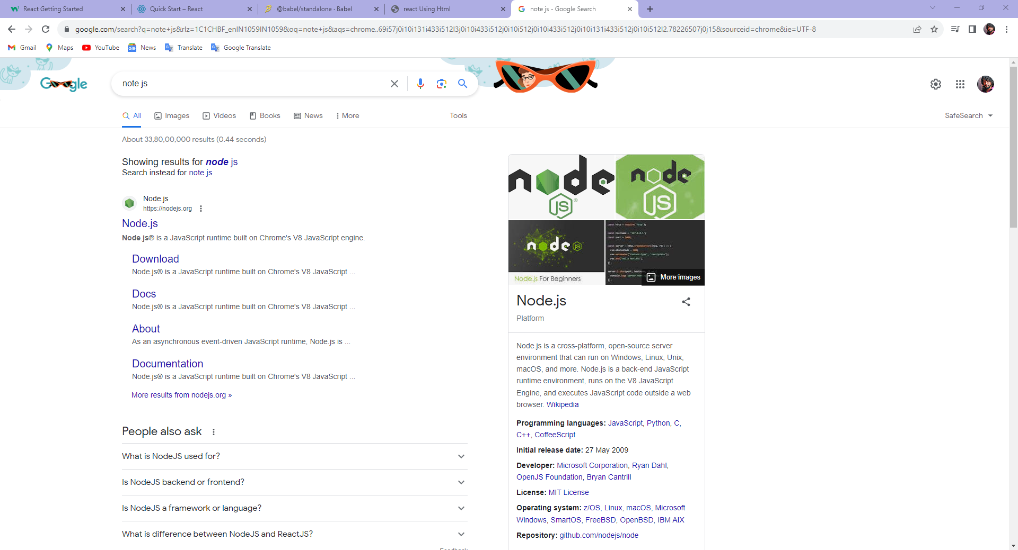

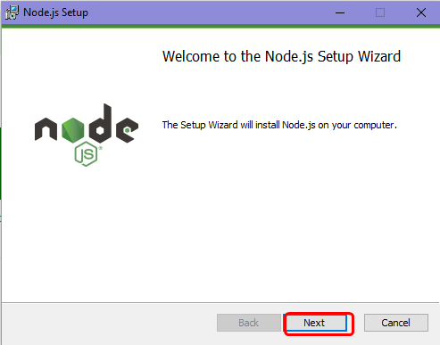
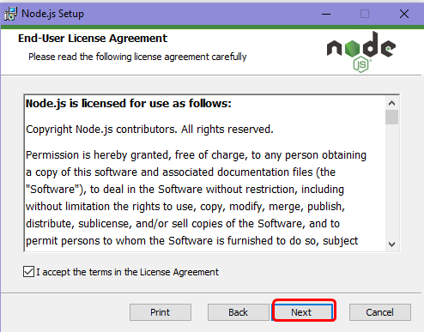
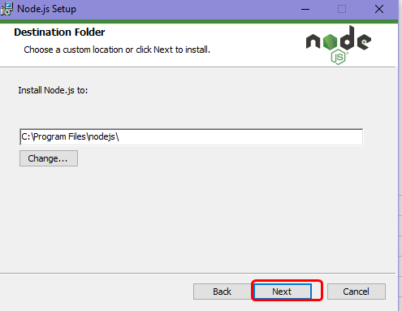

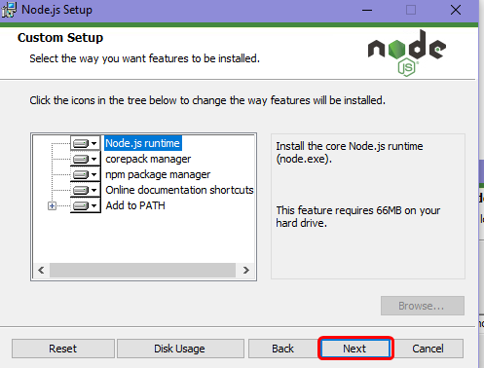
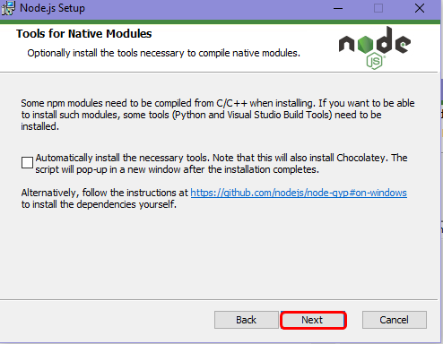
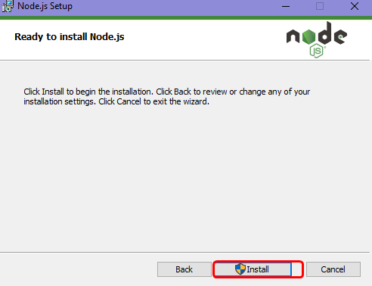

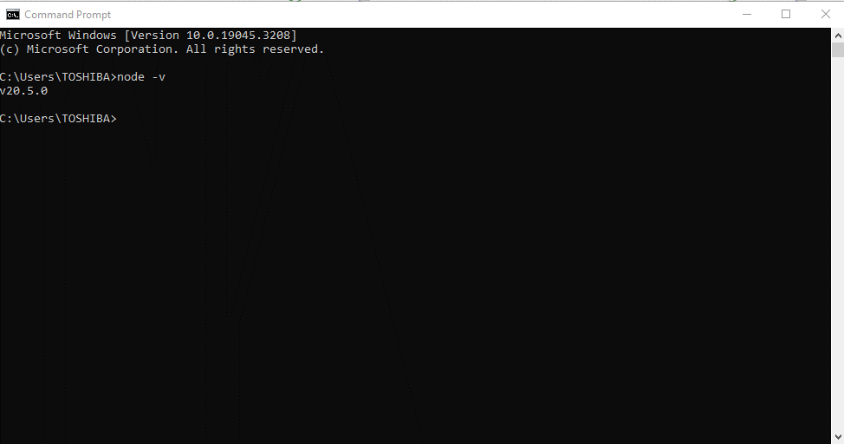

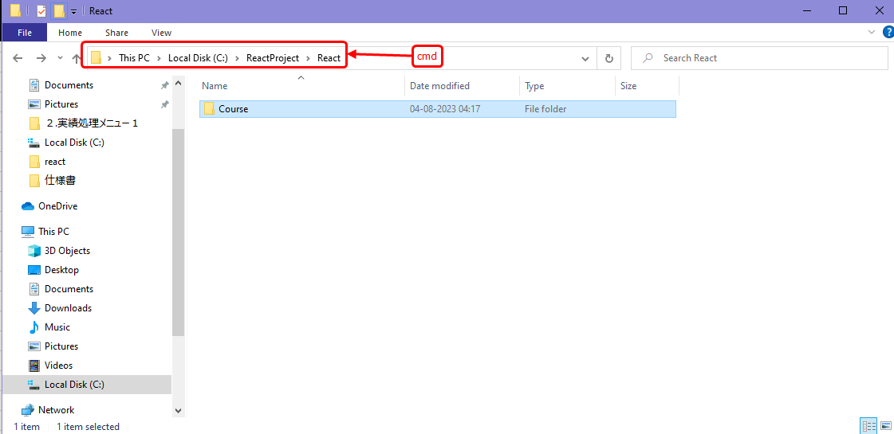

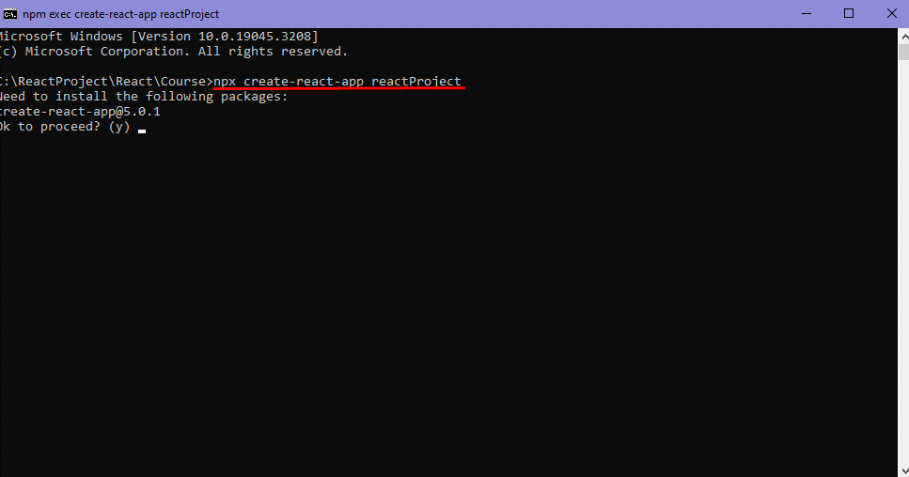

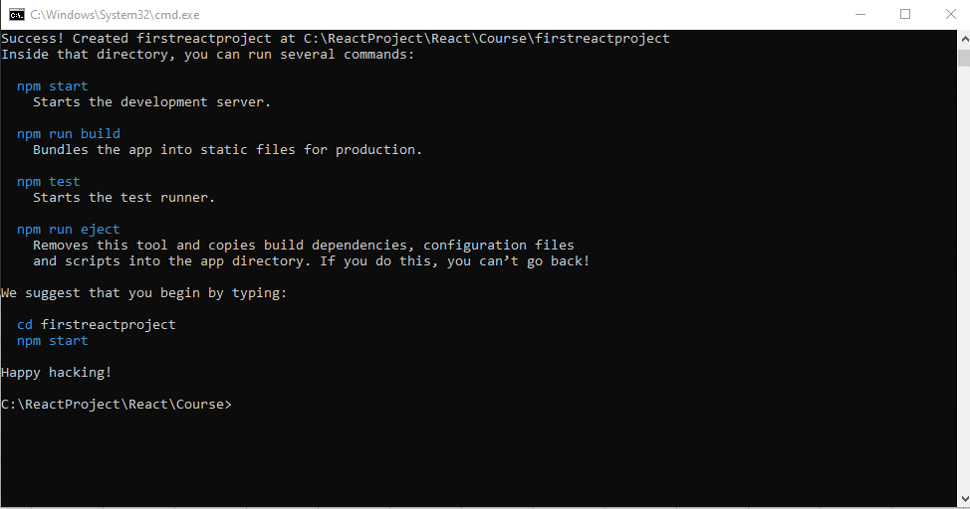

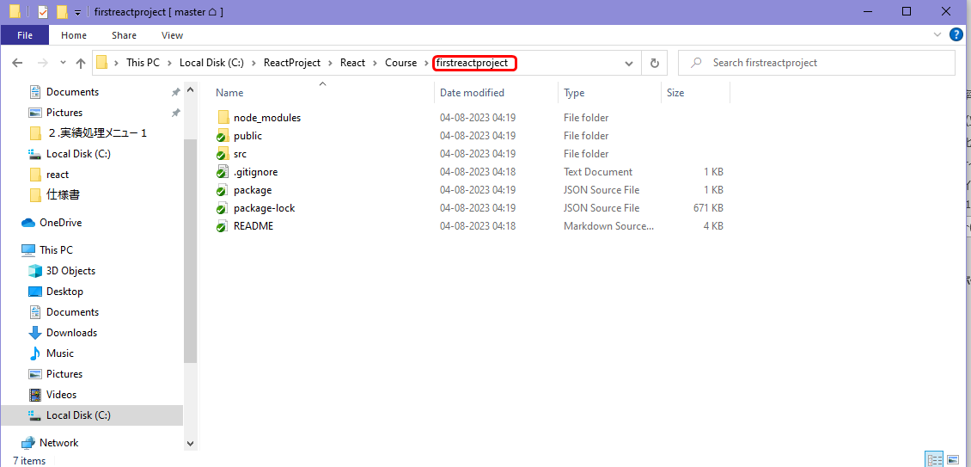

Running project
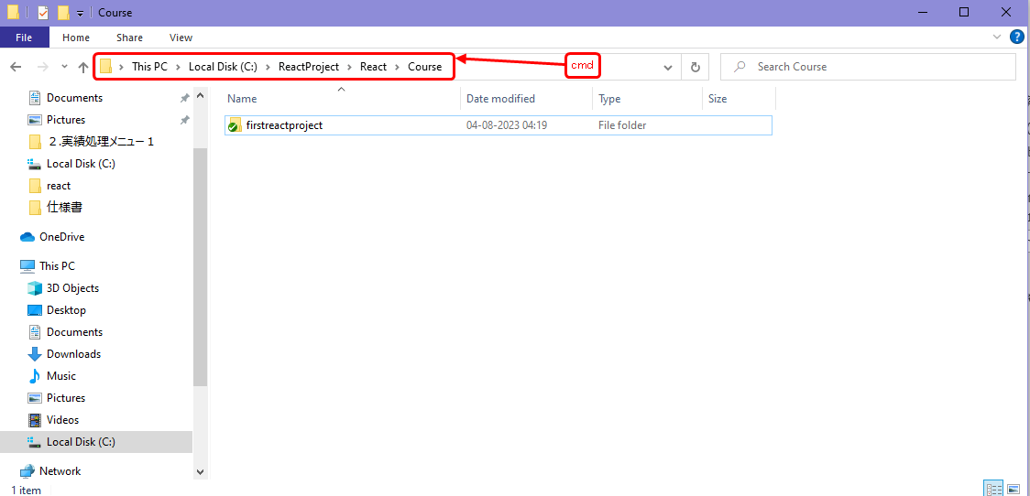

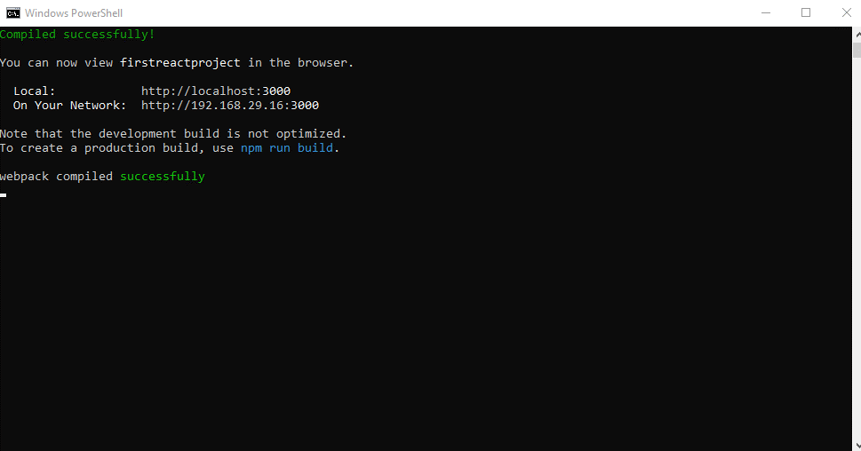
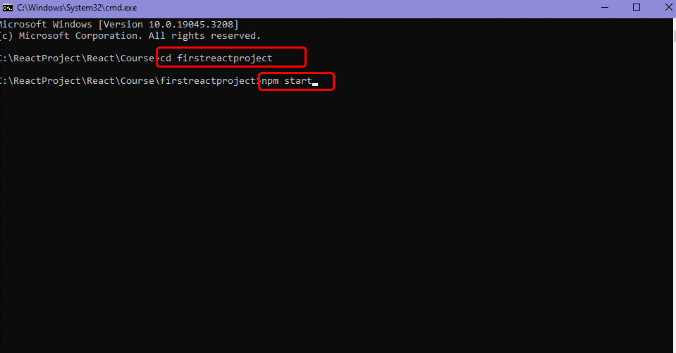

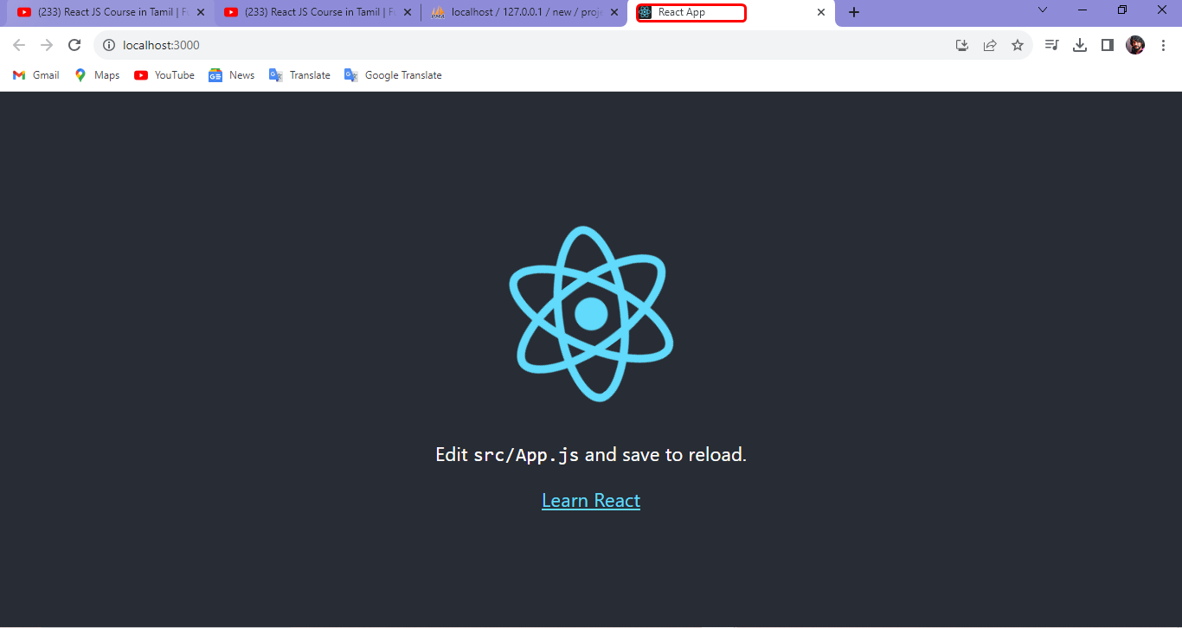

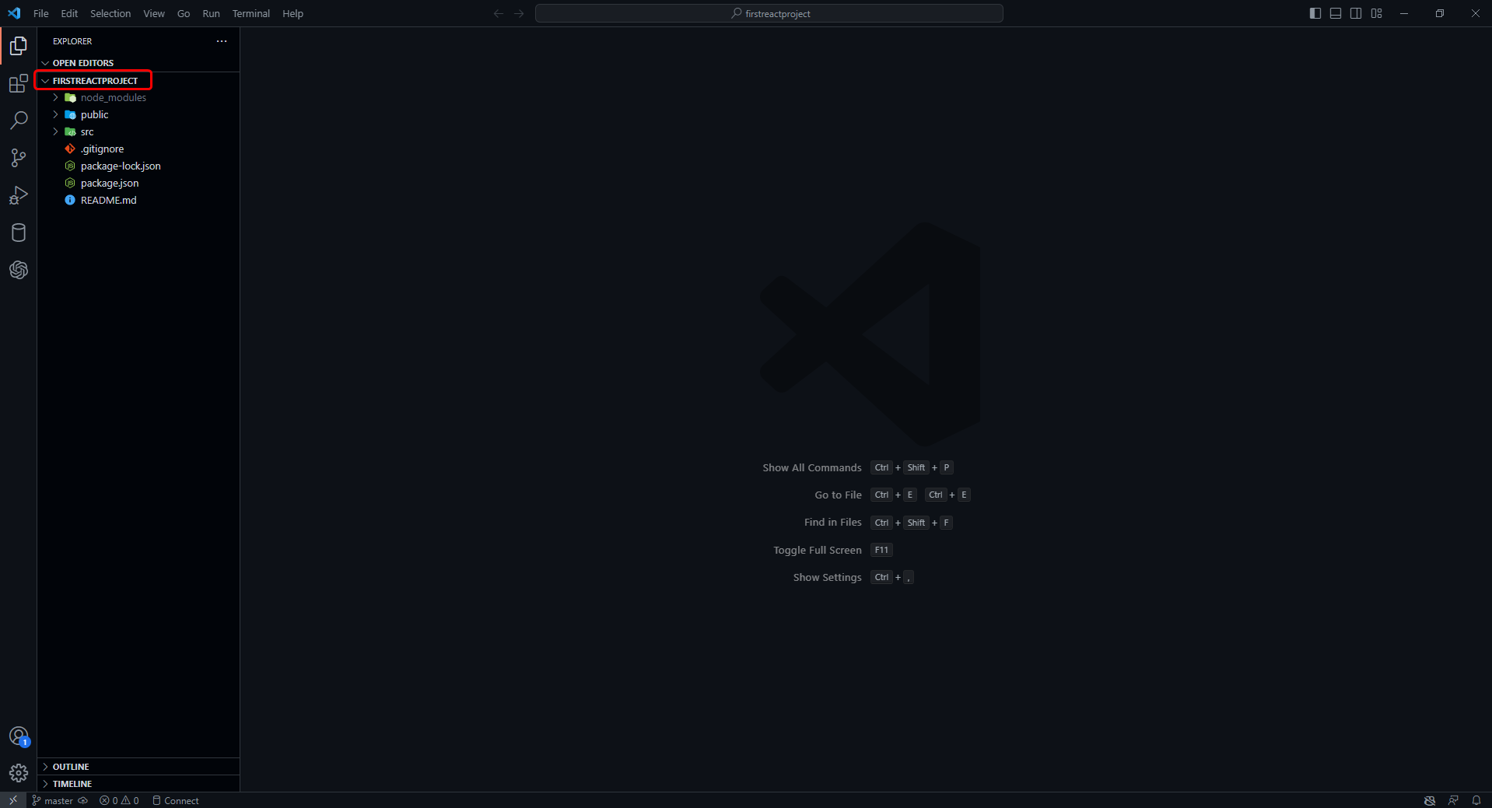

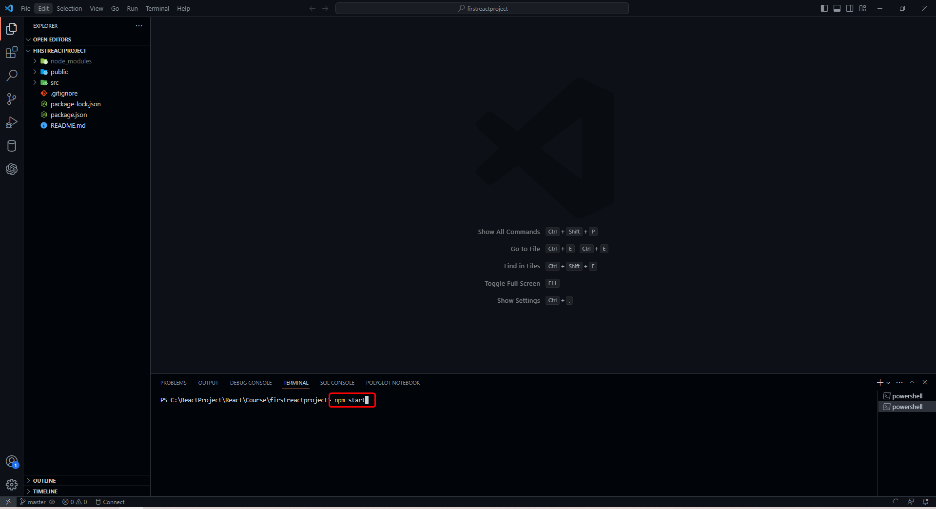

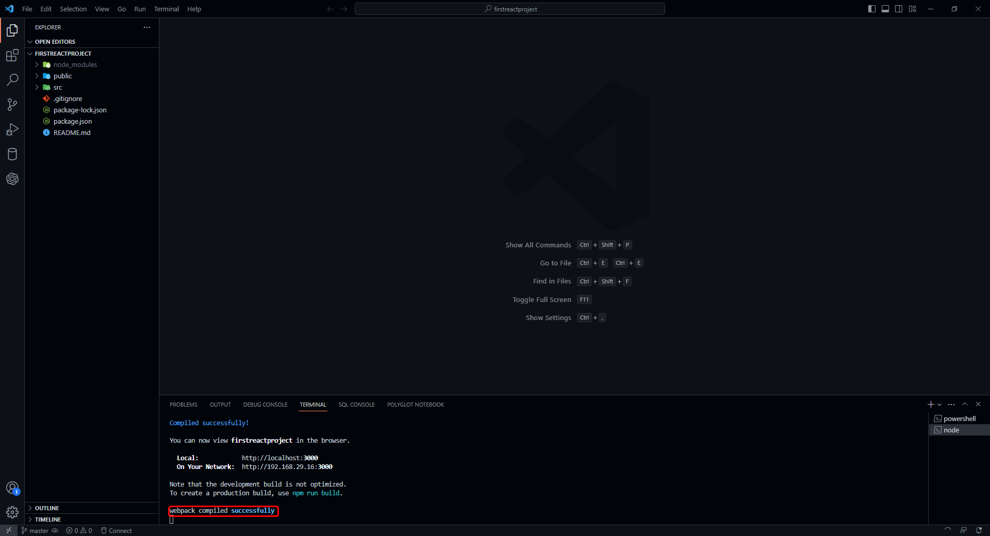

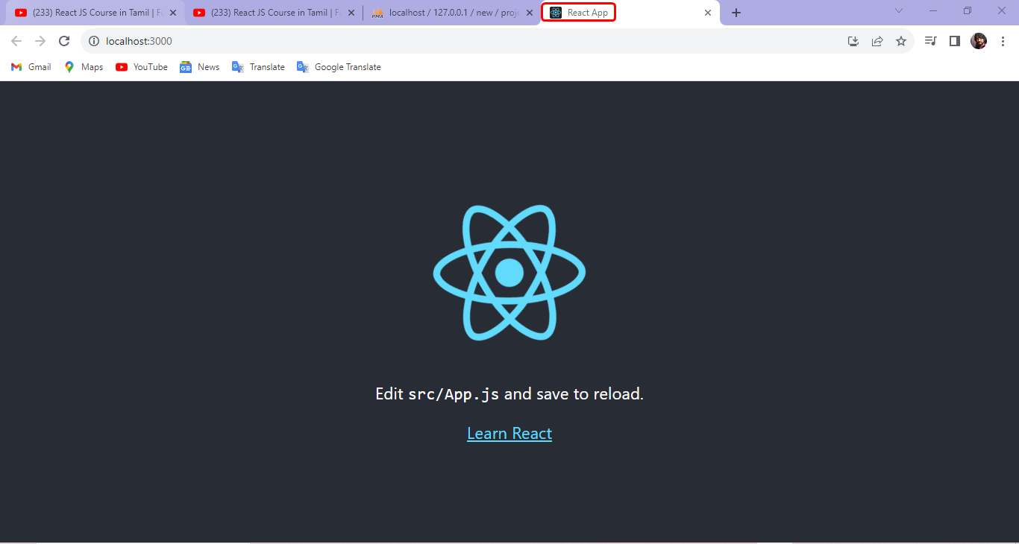

Class Components
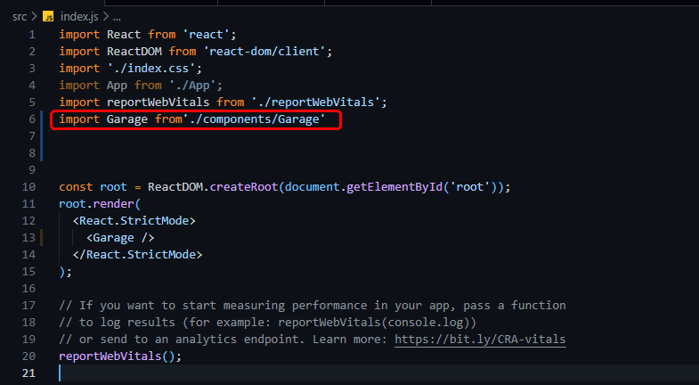

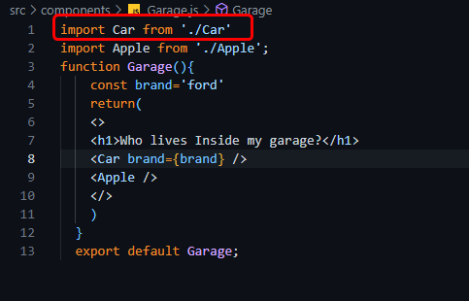

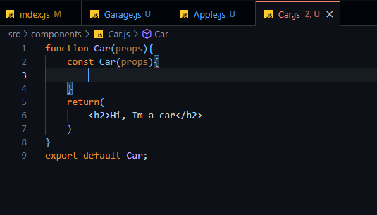

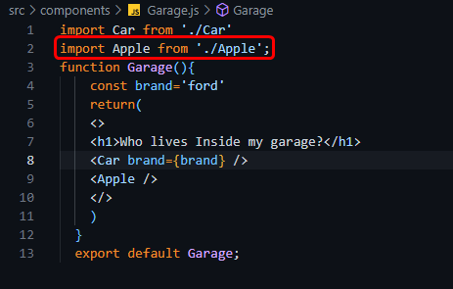

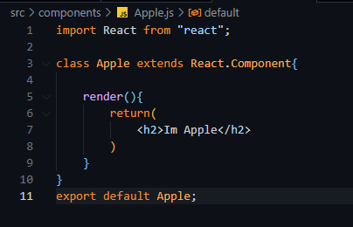

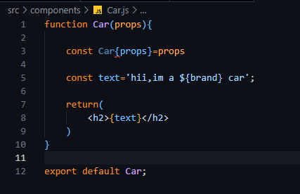

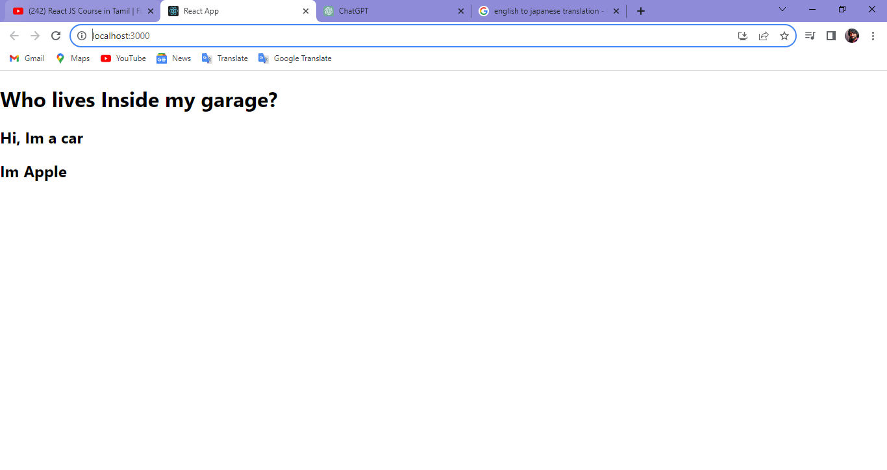

React DevTools Browser Extensio
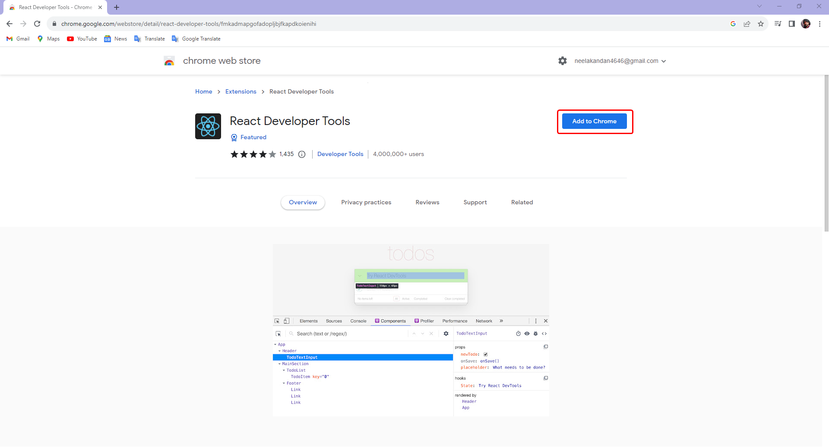
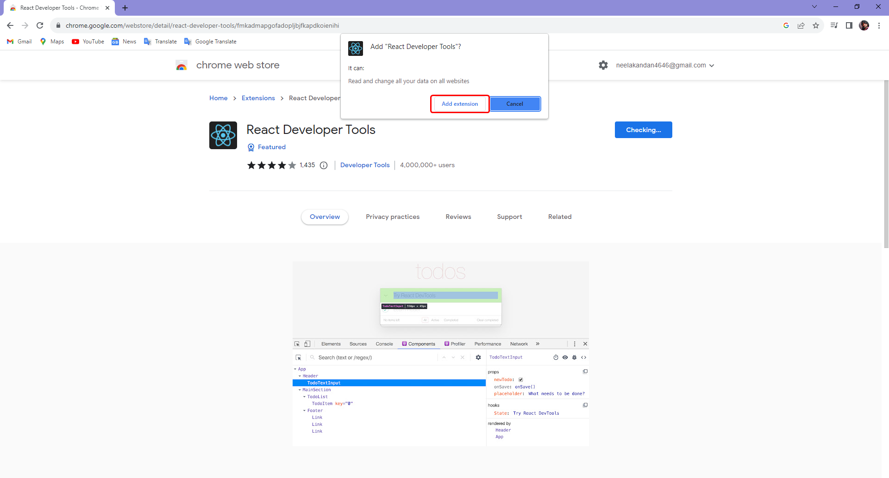
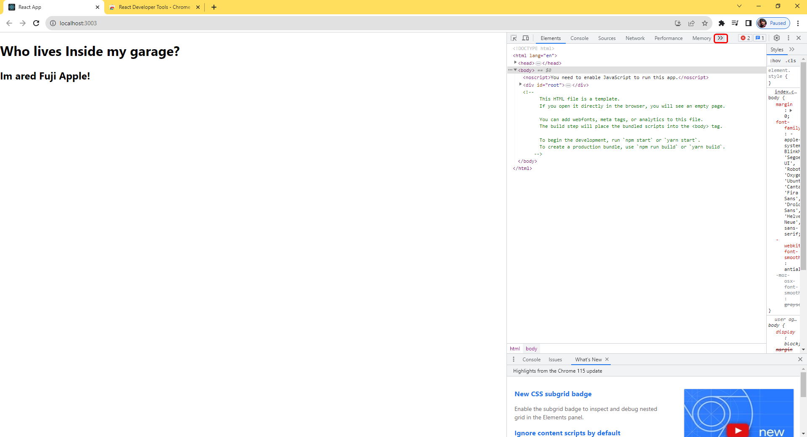
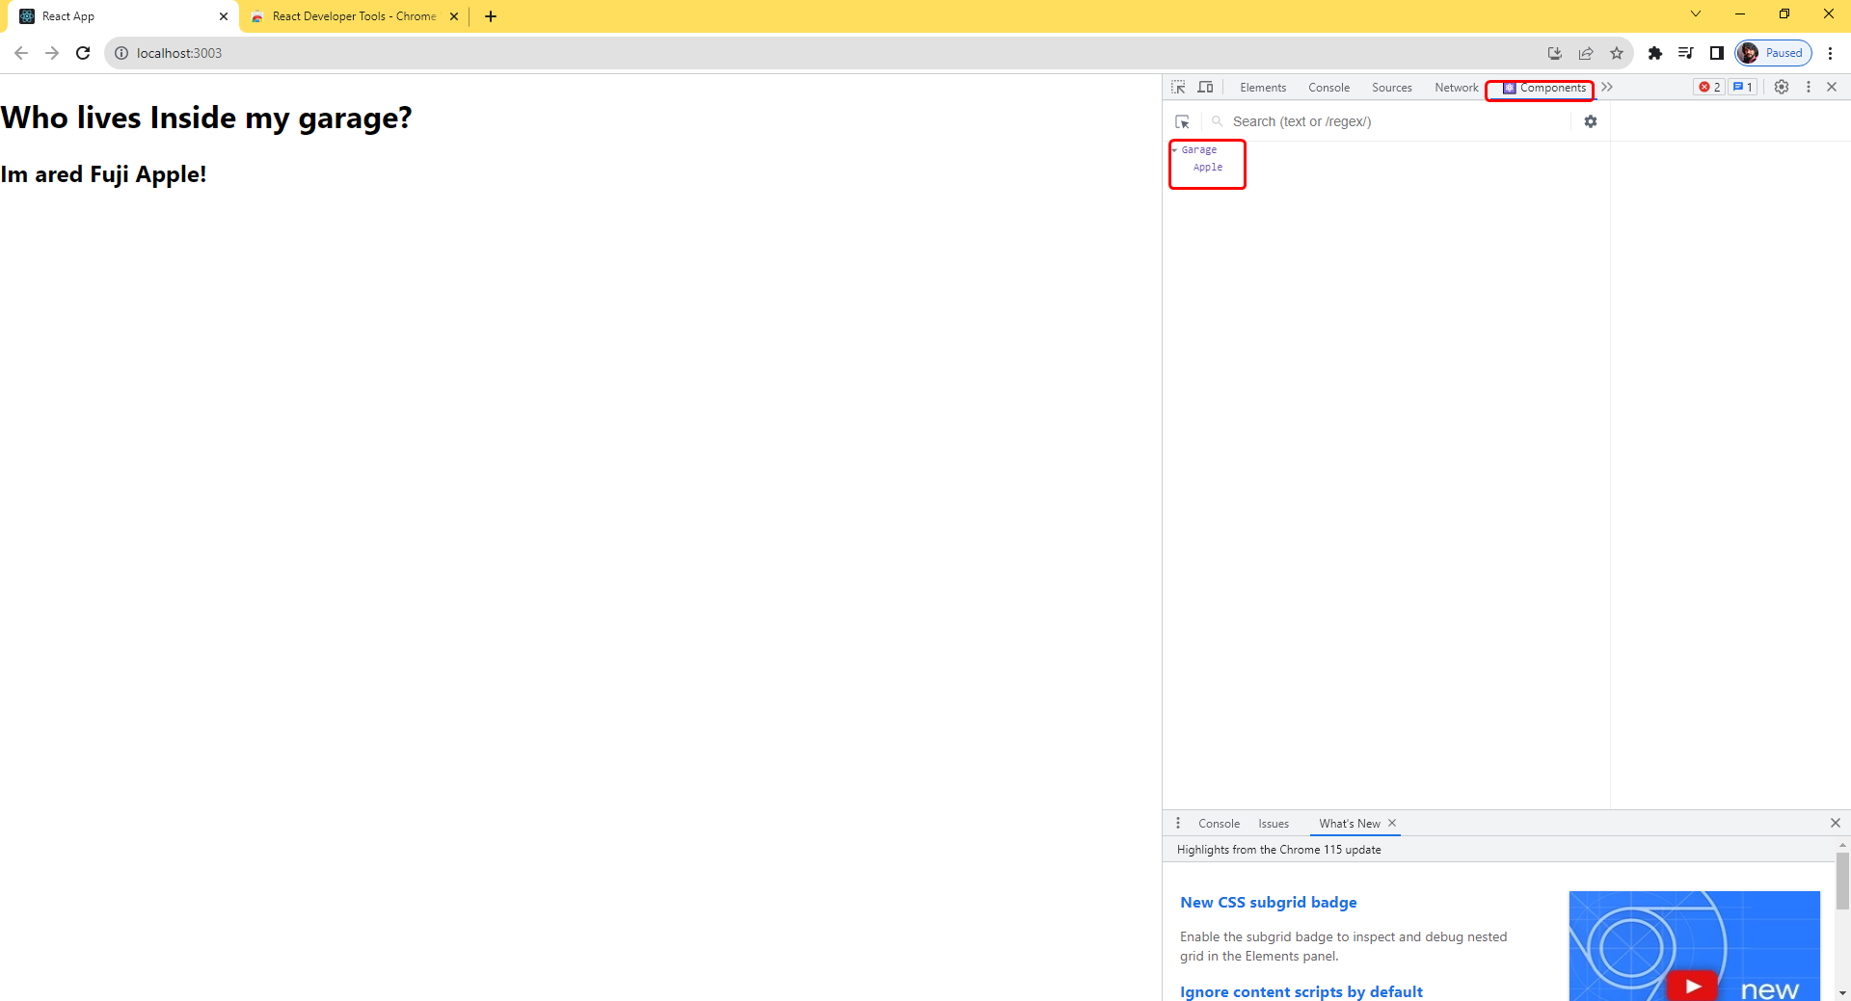
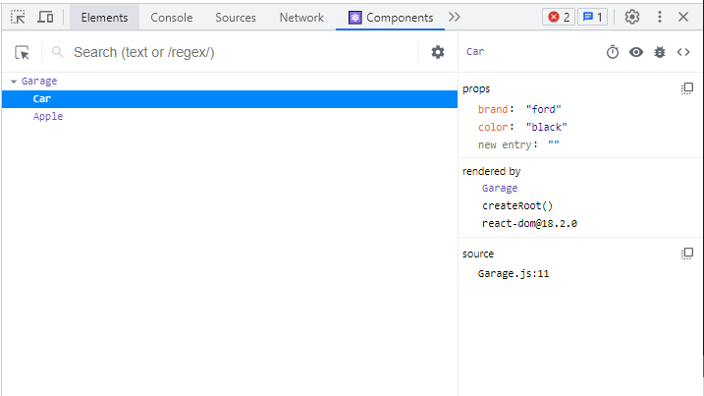
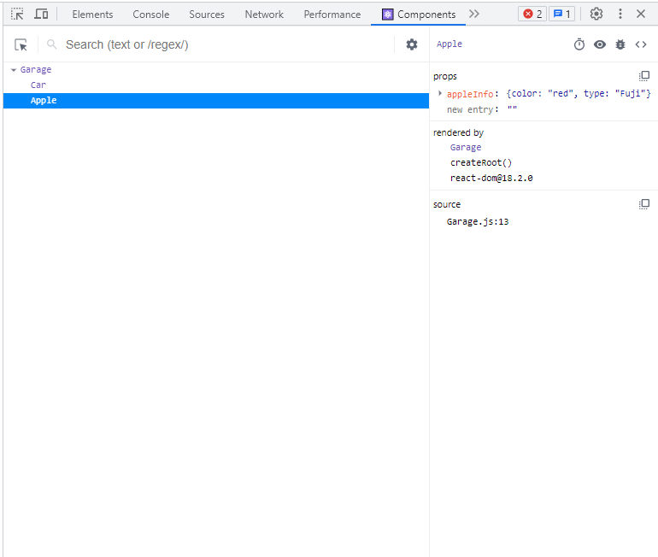
search:react devtools

Inline CSS Styling
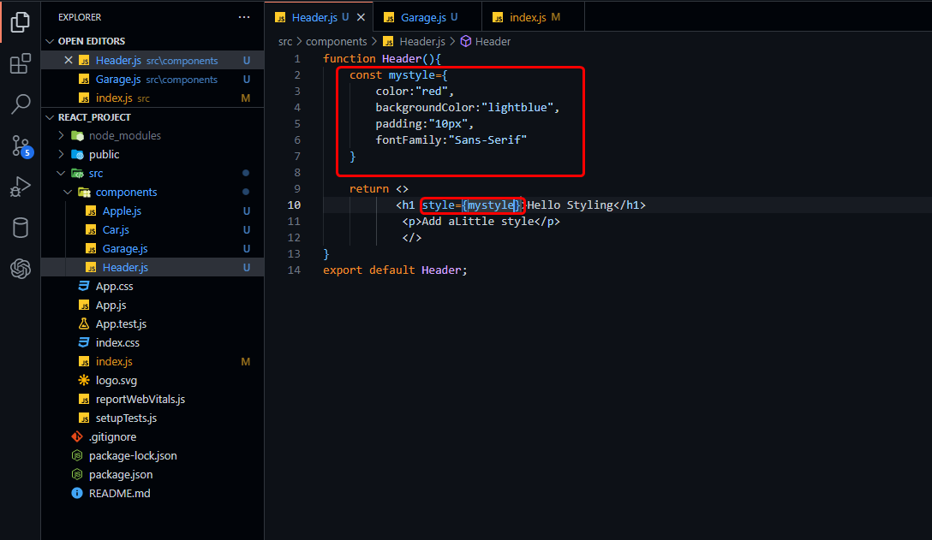
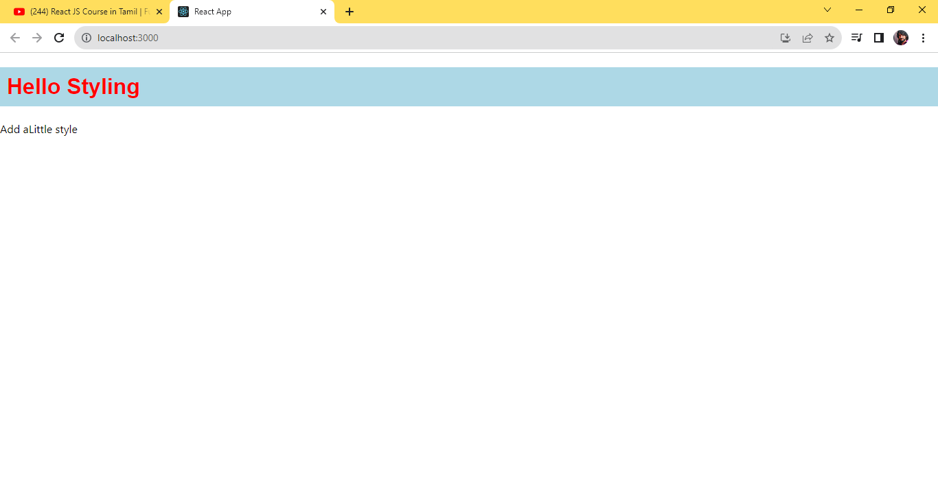
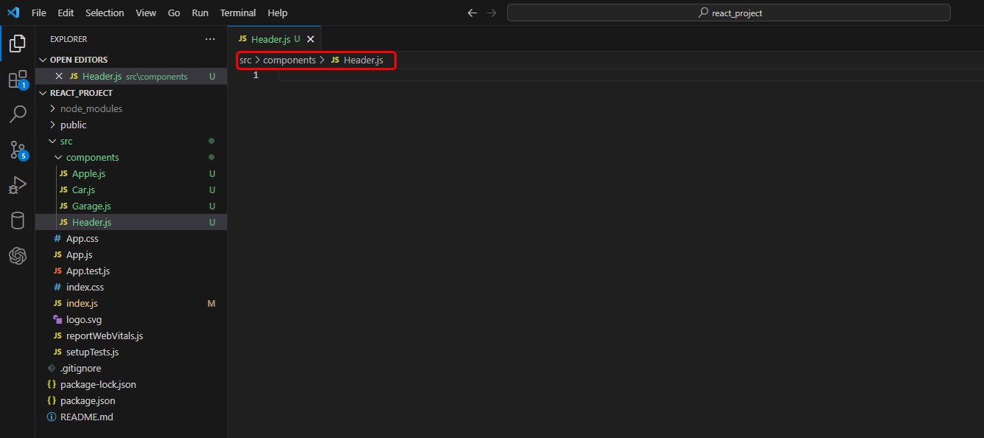

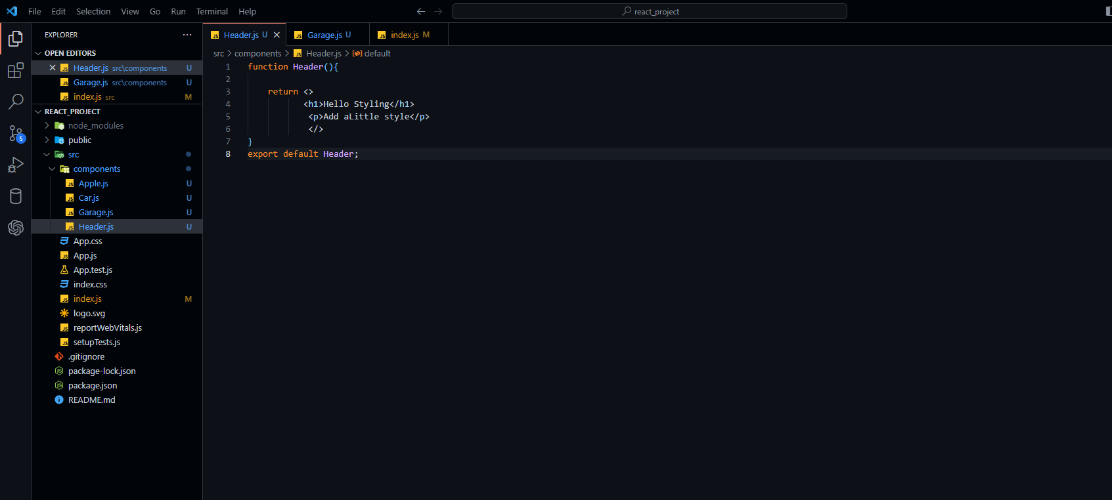





css adding program

CSS Stylesheet



Body Css






Class Css

Creating State
create a new file:FavoriteColor.js








Creating State in Class components

Creating Form


Creating Form

 | Creating MyForm.js


 | simple text from program


 | Index.js declare


 | this simple program output


 | Getting Input Value to State




 | First Click F12 button and next Consle click and check this statement

 | Submitting Form

 | input button declared

 | Onclick function declared


 | Output
 | First Click F12 button and next Consle click and check this statement


 | Handling Multiple Input Fields





 | previousState keyword used

simple form in react
Index.js
 | declare
 | import MyForm from './components/MyForm';

 | const root = ReactDOM.createRoot(document.getElementById('root'));
 | root.render(
 | <>
 | <MyForm/>
 | </>
 | );


 | next Create the MyForm.js,Flie
 | wirte the Froms code



 | import the css files in access

 | src->component->Header.module.css in create the css file
 | write the css code in form


 | click the terminal->new terminal click
 | run this code->npm start


 | run this react project automatic run with chrome


 | this form will be full in the date


 | after will and click this sumbit form



 | after submit->click f12 button->open in console
 | and confirm your submit data show this console


 | validation process

